SPK-1021-ALL-59
 |  |  |  |  | GOODS RECEIVED NOTE

Sender |  |  |  |  | Received Date
VOLT AND FAST |  |  |  |  | 2021-10-13
 |  |  |  |  | NO BA QC :

 |  |  |  |  | Ship via |  |  | Plat Number

PO No. | Code | Item |  | Quantity DO | QC |  |  | Remarks
 |  |  |  |  | Pass | Reject | Total
SPK-1021-ALL-59 | VNFH0014W.F | Wave Cap White White F F |  | 98 | 98 |  | 98
SPK-1021-ALL-59 | VNFH0013B.F | Wave Cap Black Black F F |  | 3 | 3 |  | 3
SPK-1021-ALL-59 | VNFH0015B.F | Btfl Running Cap Bl Black F F |  | 6 | 6 |  | 6
SPK-1021-ALL-59 | VNFH0016NV.F | Btfl Running Cap Nv Navy F F |  | 5 | 4 |  | 4
SPK-1021-ALL-59 | VNFSO0002B.F | Lightning Low Socks Black F F |  | 19 | 19 |  | 19
SPK-1021-ALL-59 | VNFSO0003W.F | Reflex Socks Front Logo White F F |  | 16 | 16 |  | 16
SPK-1021-ALL-59 | VNFSO0005W.F | Reflex Socks Side Logo White F F |  | 9 | 9 |  | 9
SPK-1021-ALL-59 | VNFSO0004W.F | Reflex Socks Back Logo White F F |  | 12 | 12 |  | 12
SPK-1021-ALL-59 | VNFSO0004B.F | Reflex Socks Back Logo Black F F |  | 18 | 18 |  | 18
SPK-1021-ALL-59 | VNFSO0003B.F | Reflex Socks Front Logo Black F F |  | 14 | 14 |  | 14
 |  |  |  |  | 199 | 0 | 199
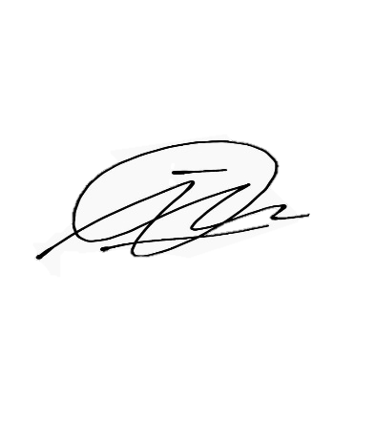

Notes
 |  |  |  | Received By |  |  | Checked By
Btfl Running Cap Nv Navy F F |  | -1 | minus

 |  |  |  | Imam D |  |  | Imam D

 |  |  |  | Date |  |  | Date
 |  |  |  | 2021-10-13 |  |  | 2021-10-14

